pol_newthon_Equidistantes
 |  |  |  |  |  |  | H
x | f(X) | xi | yi | D Yi | D2 Yi
-10 | 31 | -4 | 4 |  |  |  | 3
-9 | 24.555555556 | -1 | 1 | -3
-8 | 18.888888889 | 2 | 5 | 4 | 7
-7 | 14
-6 | 9.8888888889 |  | C0 | 4 | Yi
-5 | 6.5555555556 |  | C1 | -1 | Yi/H
-4 | 4 |  | C2 | 7/18 | Yi/ 2 * H^2 | 7/18
-3 | 2.2222222222
-2 | 1.2222222222 |  | P2(x) | 4 + (-1)*(x-(-4)) + 7/18 * ((x-(-4))(x-(-1))
-1 | 1 |  |  | 4 -x - 4 + 7/18 (x^2 + 5x + 4)
0 | 1.5555555556 |  |  | -x + 7/18x^2 + 7/18*5x + 7/18*4
1 | 2.8888888889 |  |  | -x + 7/18x^2 + 35/18x + 28/18
2 | 5 |  |  | 7/18x^2 + (35/18x - 18/18) + 14/9
3 | 7.8888888889 |  | P2(x) | 7/18x^2 + 17/18x + 14/9
4 | 11.555555556
5 | 16
6 | 21.222222222
7 | 27.222222222
8 | 34
9 | 41.555555556
10 | 49.888888889

pol_newthon_NOequistantes
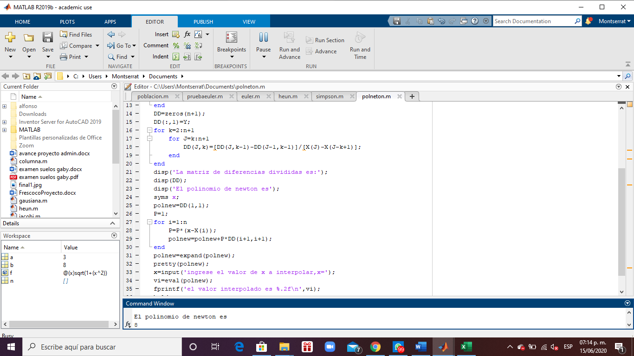
 |  |  |  |  |  |  |  |  |  | H
x | f(X) | xi | yi | D Yi |  | D2 Yi |  | D3 Yi
-10 | 247.1 | 1 | 4
-9 | 196 | 2 | 3.5 | -0.5 | -0.5 |  |  |  |  | 1
-8 | 152.5 | 3 | 4 | 0.5 | 0.5 | 1 | 0.5 |  |  | 1 | 2
-7 | 116 | 5 | 5.6 | 1.6 | 0.8 | 0.3 | 0.1 | -0.4 | -0.1 | 2 | 3 | 4
-6 | 85.9
-5 | 61.6 |  | C0 = 4 |  | C1 = -0.5 |  | C2 = 0.5 |  | C3 = -0.1
-4 | 42.5
-3 | 28 |  | P3(x) = 4 + (-0.5)(x-1) + 0.5 [ (x-1)(x-2) ] + (-0.1) [(x-1)(x-2)(x-3) ]
-2 | 17.5 |  | P3(x) = 4 -0.5x + 0.5 + 0.5 (x^2 - 2x -x +2 ) - 0.1 [ (x^2 - 2x -x +2) (x-3)]
-1 | 10.4 |  | P3(x) = 4 - 0.5x + 0.5 + 0.5x^2 -x - 0.5x +1 - 0.1 (x^3 - 3x^2 - 2x^2 + 6x - x^2 + 3x + 2x - 6)
0 | 6.1 |  | P3(x)= 5.5 - 2x + 0.5x^2 - 0.1 (X^3 - 6x^2 + 11x - 6)
1 | 4 |  | P3(x) = 5.5 - 2x + 0.5x^2 - 0.1x^3 + 0.6x^2 - 1.1x + 0.6
2 | 3.5
3 | 4 |  | P3(x) = -0.1x^3 + 1.1x^2 - 3.1x + 6.1 | -0.1x^3 + 1.1x^2 - 3.1x + 6.1
4 | 4.9
5 | 5.6
6 | 5.5
7 | 4
8 | 0.5
9 | -5.6
10 | -14.9

 |  |  | https://www.youtube.com/watch?v=WgZvz57c5CQ

